Dashboard & Histogram
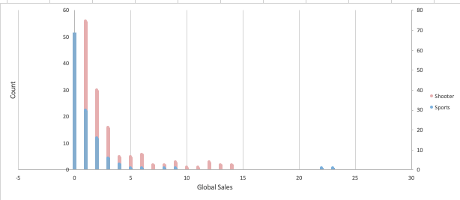
Average Sports Critic Score | 71.963
Average Shooter Critic Score | 70.169

